Sheet1
PPP First Draw Loan Sizing Worksheet
For: | Self-employed with no employees
This includes independent contractors and sole proprietors, but not if you are a partner in a partnership.

 | Your business name:

PART I: CALCULATE YOUR MAXIMUM PPP LOAN REQUEST AMOUNT

1. | Select the time period you are using | 2019

2. | Enter the net profit amount (Line 31) from your 2019 IRS Form 1040 Schedule C | $0.00
 | If this amount is over $100,000, reduce it to $100,000.
 | If this amount is zero or less, you are not eligible for a PPP loan.

3. | Calculate average monthly net profit | $0.00
 | Net Profit / 12 | (auto-calculated)
 | » Enter this amount in the 'Average Monthly Payroll' box of your SBA Form 2483

4. | Multiply the average monthly net profit amount by 2.5 | $0.00
 |  | (auto-calculated)

5. | Add the outstanding amount of any EIDL loan received between 1/31/20 and 4/3/20 that you seek to refinance. | $0.00
 | Do not include the amount of any advance under an EIDL COVID-19 loan (because it does not have to be repaid).
 | You do not have to refinance your EIDL. This is purely optional.

→ | This Your PPP Loan Request Amount: | $0.00
 | Line 4 + Line 5 rounded down to nearest whole dollar | (auto-calculated)
 | » Enter this amount in the 'Loan Request Amount' box of your SBA Form 2483

PART II: ORGANIZE YOUR REQUIRED SUPPORTING DOCUMENTS
The following documents must be submitted along with your completed SBA Form 2483. If any required documents are missing, it will delay the processing of your application and could jeapordize its ability to be funded.
 | Document(s) to support your Average Monthly Payroll figure:
□ | 2019 IRS Form 1040 Schedule C

 | Document(s) to prove in operation:
□ | A 2020 invoice, bank statement, or book of record establishing you were in operation on February 15, 2020

□ | One of the following: a 2019 IRS Form 1099-MISC detailing nonemployee compensation received (box 7), IRS Form 1099-K, invoice, bank statement, or book of record establishing you were self-employed in 2019

PART III: FILL OUT YOUR SBA FORM 2483
Below are the most common ways applicants incorrectly fill out their Form 2483. Please review each of them to ensure you've correctly completed your form, and then initial at the bottom once you've verfied each of the items.
Page 1 Common Issues:
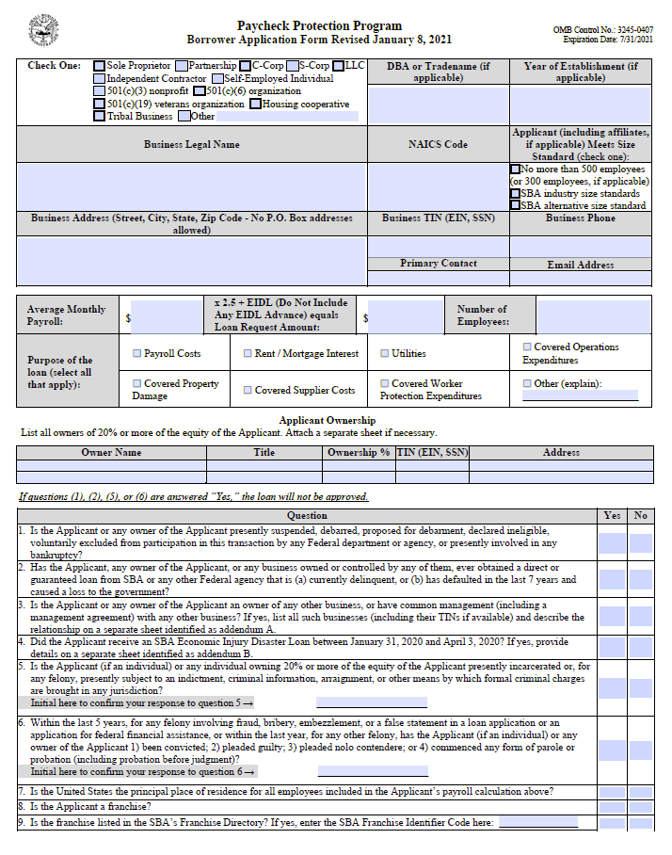

Make sure to enter your full EIN (if incorporated) or SSN (if self-employed) without dashes.

Must provide SSN (without dashes) if owner is an individual. Only use EIN if owner is another business.

Make sure and answer all questions.

If Yes for #3, you must attach Addendum A.

If Yes for #4, you must attach Addendum B.

Don't forget to initial questions 5 & 6!!!

Carefully read and answer #7 (hint: must be 'Yes' to be a valid application)

Initial all boxes
Page 2 Common Issues:
And don't forget to sign your form!!

 |  | Initial:
Initial to the right to indicate that you have reviewed each of these common issues and verified your form has been completed fully to the best of your ability →

SPECIAL INSTRUCTIONS IF USING THE "STARTUP METHOD" TIME PERIOD
If you were in operation on February 15, 2020, but were not in operation between February 15, 2019, and June 30, 2019, you may choose one of two ways to calculate your First Draw PPP Loan amount. The first option is to simply use payroll information for all of 2020 instead of 2019. If using this option, please select "2020" as your time period for question 1 above and then proceed following the instructions. The second option, the "Startup Method", is to calculate your loan amount using your average monthly payroll costs (and Schedule C net income) for January and February 2020. Fill out an IRS Form 1040 Schedule C for January and February 2020. The entries on the schedule must reflect all business income and expenses from those two months, with the exception that on Schedule C line 13: o you must include only 1/6 of the amount of any annual depreciation and section 179 expense deduction attributable to investment made in those months, and o you must include 1/6 of the amount of the 2020 depreciation deduction attributable to investment made in prior years. Once completed, enter the amount from Line 31 on your Schedule C for Question 2 on page 1 of this worksheet. Note: save your Schedule C as you will be required to attach it when submitting your application.

QUESTIONS?
Please visit our PPP Help Center for FAQ, webinars, and contact information to reach one of our PPP specialists

